Sheet1
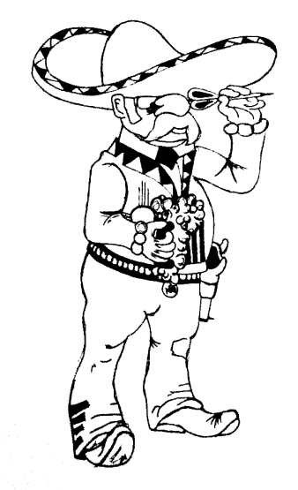
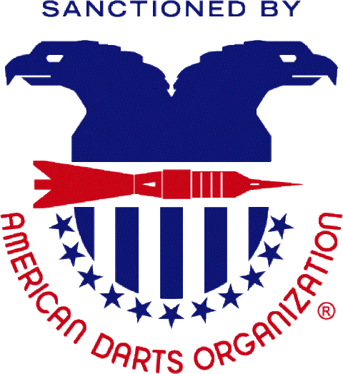
2015 New Mexico Open - $7,500 +
November 13th - 15th, 2015
Tournament Location:
 |  |  |  | Albuquerque Moose Lodge #1517
 |  |  |  | 2121 Edith Blvd NE
 |  |  |  | Albuquerque, NM 87102
 |  |  |  |  |  | Sponser Hotel
 |  |  |  | MCM Elegante Hotel |  |  |  |  |  | ADO Cricket Singles
 |  |  |  | 2020 Menaul Blvd. NE |  |  |  |  |  | Regional Playoff
 |  |  |  | Albuquerque, NM 87107 |  |  |  |  |  | 12:00 Noon Friday November 13th
 |  |  |  | 866-650-4900 / ask for NM Dart Association for this rate
 |  |  |  | $79 per night with full hot breakfast, 2 drinks per guest per evening in the lounge and free WI-FI
 |  |  |  |  |  | Sponsored by the
 |  |  | New Mexico Dart Association

 | DAY | FRIDAY | SATURDAY |  |  |  |  |  | SUNDAY
 | TIME | 20:00:00 | 11:00:00 | 11:30:00 | 14:00:00 | 14:30:00 | 17:00:00 | 20:00:00 | 11:00:00 | 11:30:00 | 14:00:00 | 14:30:00
 |  | BLIND | MEN'S | WOMEN'S | MEN'S | WOMEN'S | MIXED | BLIND | MEN'S | WOMEN'S | MEN'S | WOMEN'S
 | EVENT | DRAW | DOUBLES | SINGLES | SINGLES | DOUBLES | TRIPLES | DRAW | DOUBLES | SINGLES | SINGLES | DOUBLES
 |  | 501 | CRICKET | CRICKET | CRICKET | CRICKET | 601 | PENGUIN # | 501 | 501 | 501 | 501
 | FEE | $15 | $30 / TEAM | $20* | $20* | $30 /TEAM | $45/TEAM | $15 | $30/TEAM | $20* | $20* | 30/TEAM
 | 1st | $230 | $320 | $200 | $320 | $200 | $360 | $230 | $300 | $230 | $300 | $200
 | 2nd | $130 | $160 | $100 | $160 | $100 | $180 | $130 | $160 | $130 | $150 | $100
 | Top 4 | $70 | $90 | $50 | $90 | $50 | $120 | $70 | $90 | $70 | $70 | $50
 | Top 8 | $40 | $50 | $25 | $50 |  | $60 | $40 | $45 | $40 | $40
 | TOTAL | $660 | $860 | $500 | $860 | $400 | $1,020 | $660 | $820 | $660 | $750 | $400 | $7,590
 |  | All Single's Finals will be best of 5.

 | Entries close 15 minutes prior to all Events - Cash only!! No Checks!! No Outside Food or Drinks Allowed
 | NMDA Info and Updates: www.facebook.com/NewMexicoDartAssociation Additional Information: Chris Jaramillo, cjinrr@gmail.com

