wado
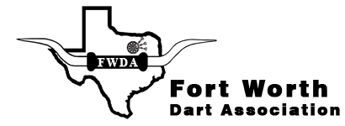
$3500+
Total Payout!!


Panther city open



july 20-22,2018
 |  | All Dart Players Welcome!!
 |  |  |  |  |  |  |  |  |  | 
VFW Post 5617, 580 S. Cherry Lane, White Settlement, 76108
Date | Friday |  | Saturday |  |  |  |  |  |  |  | Sunday

Time | 6:30:00 | 8:30:00 | 10:00:00 | 10:00:00 | 12:00:00 | 12:00:00 | 2:30:00 | 4:00:00 | 5:00:00 | 8:00:00 | 10:00:00 | 12:00:00

Event | Mixed | Blind | Mens | Ladies | Mens | Ladies | Mixed | Mens | Ladies | Blind | Youth-Adult 501 | ADO National Qualifier
 | Doubles | Draw | Doubles | Doubles | Singles | Singles | Triples | Singles | Singles | Draw
 | Cricket | Doubles | PUB | PUB | 501 | 501 | 601 | Cricket | Cricket | Doubles

Fee | $15 | $15 | $15 | $15 | $17 | $17 | $15 | $17 | $17 | $15
 | per | per | per | per | per | per | per | per | per | per
 | person | person | person | person | person* | person* | person | person* | person* | person

1st | $160 | $260 | $160 | $120 | $150 | $100 | $300 | $150 | $120 | $260
2nd | $80 | $120 | $80 | $60 | $70 | $50 | $150 | $70 | $60 | $120
3rd&4th | $40 | $60 | $40 | $30 | $35 | $30 | $90 | $35 | $30 | $60

Total | $320 | $500 | $320 | $240 | $290 | $210 | $630 | $290 | $240 | $500
*$2.00 ADO surcharge is already included to all singles events. |  |  |  |  |  | All Events are Best 2out 3 Single Elimination

 | For more information, please contact Bill Turney at 817-229-3014 or Scooter Heath at 254-977-2715

 |  | Please like us on Facebook and check out our website at www.fwdadarts.org

